R&P Accounts
 | Enter charity name below |  |  |  |  |  | Enter SC No. below
 | The Empower Project |  |  |  |  |  | SC047389
 | Receipts and payments accounts
 | For the period from | Period start date |  | to | Period end date
Day
Month
Year
Day
Month
Year
1
3
2018
28
2
2019

Section A Statement of receipts and payments
 | Unrestricted funds | Restricted funds | Expendable endowment funds |  | Permanent endowment funds | Total funds current period | Total funds last period
 | to nearest £ | to nearest £ | to nearest £ |  | to nearest £ | to nearest £ | to nearest £
A1 Receipts
Donations | 278 |  |  |  |  | 278 | 31
Legacies |  |  |  |  |  | - | -
Grants |  | 12,148 |  |  |  | 12,148 | 2,852
Receipts from fundraising activities | 144 |  |  |  |  | 144 | -
Gross trading receipts | 1,581 |  |  |  |  | 1,581 | -
Income from investments other than land and buildings |  |  |  |  |  | - | -
Rents from land & buildings |  |  |  |  |  | - | -
Gross receipts from other charitable activities |  |  |  |  |  | - | 605
 |  |  |  |  |  | - | -
A1 Sub total | 2,003 | 12,148 | - |  | - | 14,151 | 3,488

A2 Receipts from asset & investment sales
Proceeds from sale of fixed assets |  |  |  |  |  | -
Proceeds from sale of investments |  |  |  |  |  | -
A2 Sub total | - | - | - |  | - | - | -

Total receipts | 2,003 | 12,148 | - |  | - | 14,151 | 3,488

A3 Payments
Expenses for fundraising activities |  | 241 |  |  |  | 241 | -
Gross trading payments | 1,081 |  |  |  |  | 1,081 | -
Investment management costs |  |  |  |  |  | - | -
Payments relating directly to charitable activities |  | 8,022 |  |  |  | 8,022 | 1,386
Grants and donations |  |  |  |  |  | - | -
Governance costs: |  |  |  |  |  | - | -
Audit / independent examination |  |  |  |  |  | - | -
Preparation of annual accounts |  |  |  |  |  | - | -
Legal costs |  |  |  |  |  | - | -
Other |  |  |  |  |  | - | -
 |  |  |  |  |  | - | -
A3 Sub total | 1,081 | 8,263 | - |  | - | 9,344 | 1,386

A4 Payments relating to asset and investment movements
Purchases of fixed assets |  | 894 |  |  |  | 894
Purchase of investments |  |  |  |  |  | -
A4 Sub total | - | 894 | - |  | - | 894 | -

Total payments | 1,081 | 9,157 | - |  | - | 10,238 | 1,386

Net receipts / (payments) | 922 | 2,991 | - |  | - | 3,913 | 2,102

A5 Transfers to / (from) funds |  |  |  |  |  | -

Surplus / (deficit) for year | 922 | 2,991 | - |  | - | 3,913 | 2,102

Statement of balances
 | The Empower Project |  |  |  |  | SC047389
Section B Statement of balances
Categories | Details | Unrestricted funds | Restricted funds | Expendable endowment funds | Permanent endowment funds | Total current period | Total last period
 |  | to nearest £ | to nearest £ | to nearest £ | to nearest £ | to nearest £ | to nearest £
B1 Cash funds | Cash and bank balances at start of year | 36 | 2,066 |  |  | 2,102 | -
 | Surplus / (deficit) shown on receipts and payments account | 922 | 2,991 |  |  | 3,913 | 2,102
 |  |  |  |  |  | - | -
 |  |  |  |  |  | - | -
 | Cash and bank balances at end of year | 958 | 5,057 | - | - | 6,015 | 2,102
 | (Agree balances with receipts and payments account(s)) | - | - | - | - | - | -

 | Details |  |  | Fund to which asset belongs |  | Market valuation | Last year
 |  |  |  |  |  | to nearest £ | to nearest £
B2 Investments

 |  |  |  |  | Total | - | -

 | Details |  | Fund to which asset belongs |  | Cost (if available) | Current value (if available) | Last year
 |  |  |  |  | to nearest £ | to nearest £ | to nearest £
B3 Other assets | Laptop Case |  | Foundation Scotland - Express Grant |  | 24
 | 2 Dell Inspiron Laptops |  | Foundation Scotland - Express Grant |  | 698
 | Microsoft Office |  | Foundation Scotland - Express Grant |  | 36
 | EP Logo Design |  | Foundation Scotland - Express Grant |  | 50
 | Android Tablet |  | Foundation Scotland - Express Grant |  | 86

 |  |  |  | Total | 894 | - | -

 | Details |  |  | Fund to which liability relates |  | Amount due | Last year
 |  |  |  |  |  | to nearest £ | to nearest £
B4 Liabilities

 |  |  |  |  | Total | - | -

 | Details |  |  | Fund to which liability relates |  | Amount due (estimate) | Last year
 |  |  |  |  |  | to nearest £ | to nearest £
B5 Contingent liabilities

 |  |  |  |  | Total | - | -

Signed by one or two trustees on behalf of all the trustees | Signature |  | Print Name |  |  |  | Date of approval
 | 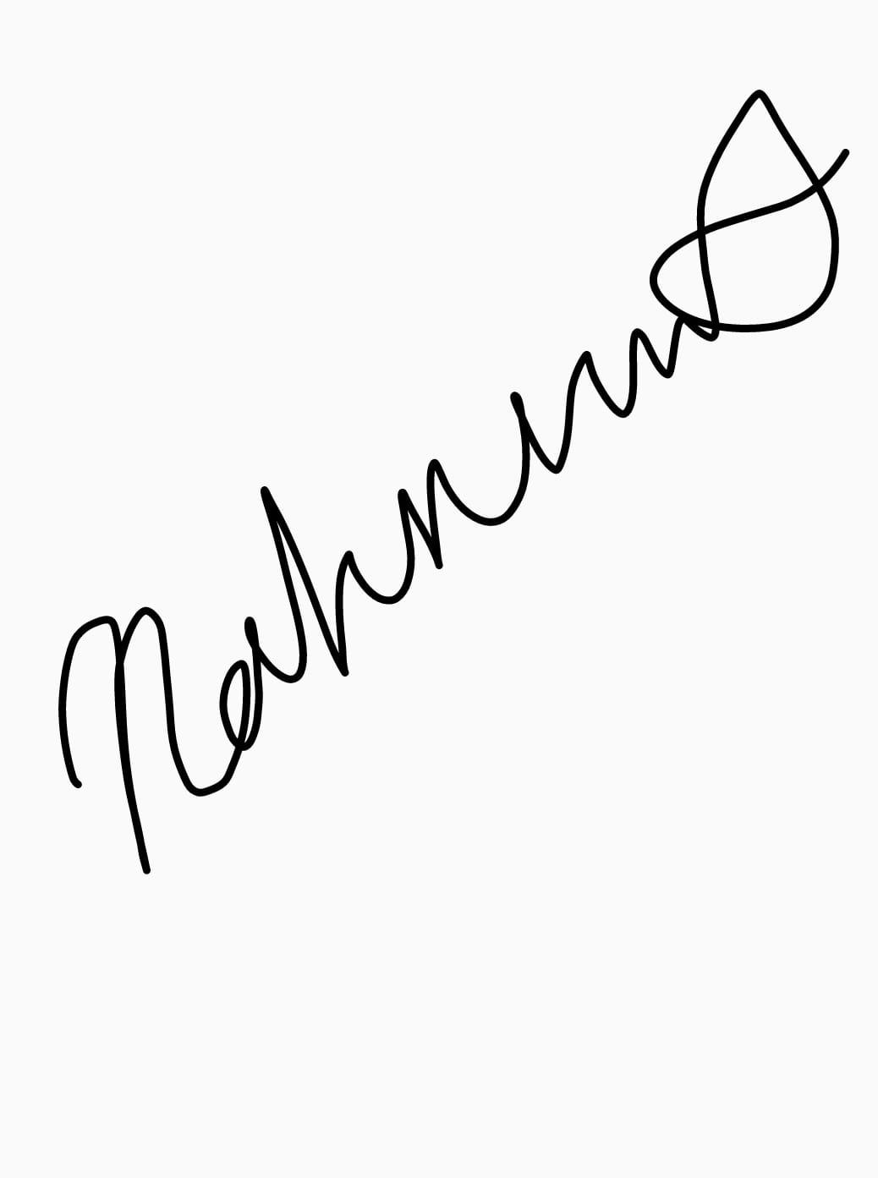 |  | Rahnuma Feist-Hassan |  |  |  | 11/11/2019

